Loads
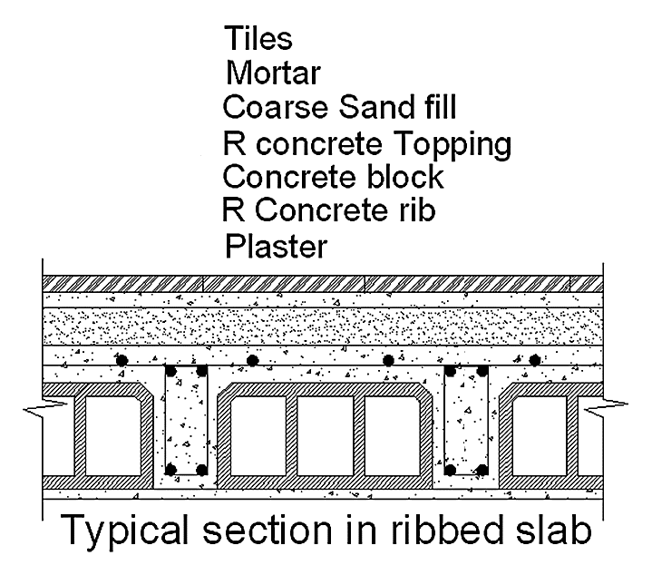
Load Calculations of One-way Ribbed Slab ACI-318M-14
Layer | g [ KN/m3] | h [mm] | Unit b [mm] | wDL [KN/m]
Tiles | 23 | 30 | 530 | 0.3657 |  |  |  |  | Area LL= | 2 | KN/m2
Mortar | 22 | 20 | 530 | 0.2332 |  | DL Service= | 5.4 | KN/m | LL Service= | 1.06 | KN/m
Sand | 17 | 70 | 530 | 0.6307
Block | 14.5 | 170 | 400 | 0.986
Topping | 25 | 100 | 530 | 1.325 |  | DL factor = | 1.2 |  | LL factor = | 1.6
Rib | 25 | 170 | 130 | 0.5525 |  | DLu= | 6.48 | KN/m | LLu= | 1.7 | KN/m
Plaster | 23 | 20 | 530 | 0.2438
Partition [ KN/m2] | 2 |  | 530 | 1.06
 |  |  | w = | 5.3969 | KN/m |  | The Factored Total Load Wu= |  |  | 8.18 | KN/m

Service Dead Load over area |  |  | 10.18 | KN/m2
 |  |  |  |  |  | Service Dead Load over area (Without Rib, Topping Loads) |  |  |  |  | 6.64 | KN/m2
Factored Total Load over area |  |  | 15.42 | KN/m2

Load Calculations of One-way Solid Slab ACI-318M-14
Layer | g [ KN/m3] | h [mm] | Unit b [mm] | wDL [KN/m2] |  |  |  |  | Area LL= | 5 | KN/m2
Tiles | 23 | 30 | 1000 | 0.69 |  | DL Service= | 12.38 | KN/m | LL Service= | 5 | KN/m
Mortar | 22 | 20 | 1000 | 0.44
Sand | 17 | 70 | 1000 | 1.19 |  | DL factor = | 1.2 |  | LL factor = | 1.6
RC Solid Slab | 25 | 320 | 1000 | 8 |  | DLu= | 14.86 | KN/m | LLu= | 8 | KN/m
Plaster | 23 | 20 | 1000 | 0.46
Partition [ KN/m2] | 1.6 |  | 1000 | 1.6
 |  |  | w = | 12.38 | KN/m2 |  | The Factored Total Load Wu= |  |  | 22.86 | KN/m

